Girls
Sr. No. | Garment picture | Product description | Category | Short description | Description | 0-3m | 3-6m | 6-12m | 1-2 yr | 2-3 yr | 3-4 yr | 4-5 yr | 5-6 yr | 6-7 yr | 7-8 yr | 8-9 yr | 9-10 yr | 10-11 yr | 11-12 yr | 12-13 yr | 13-14 yr | 14-15 yr | 15-16 yr
1 | 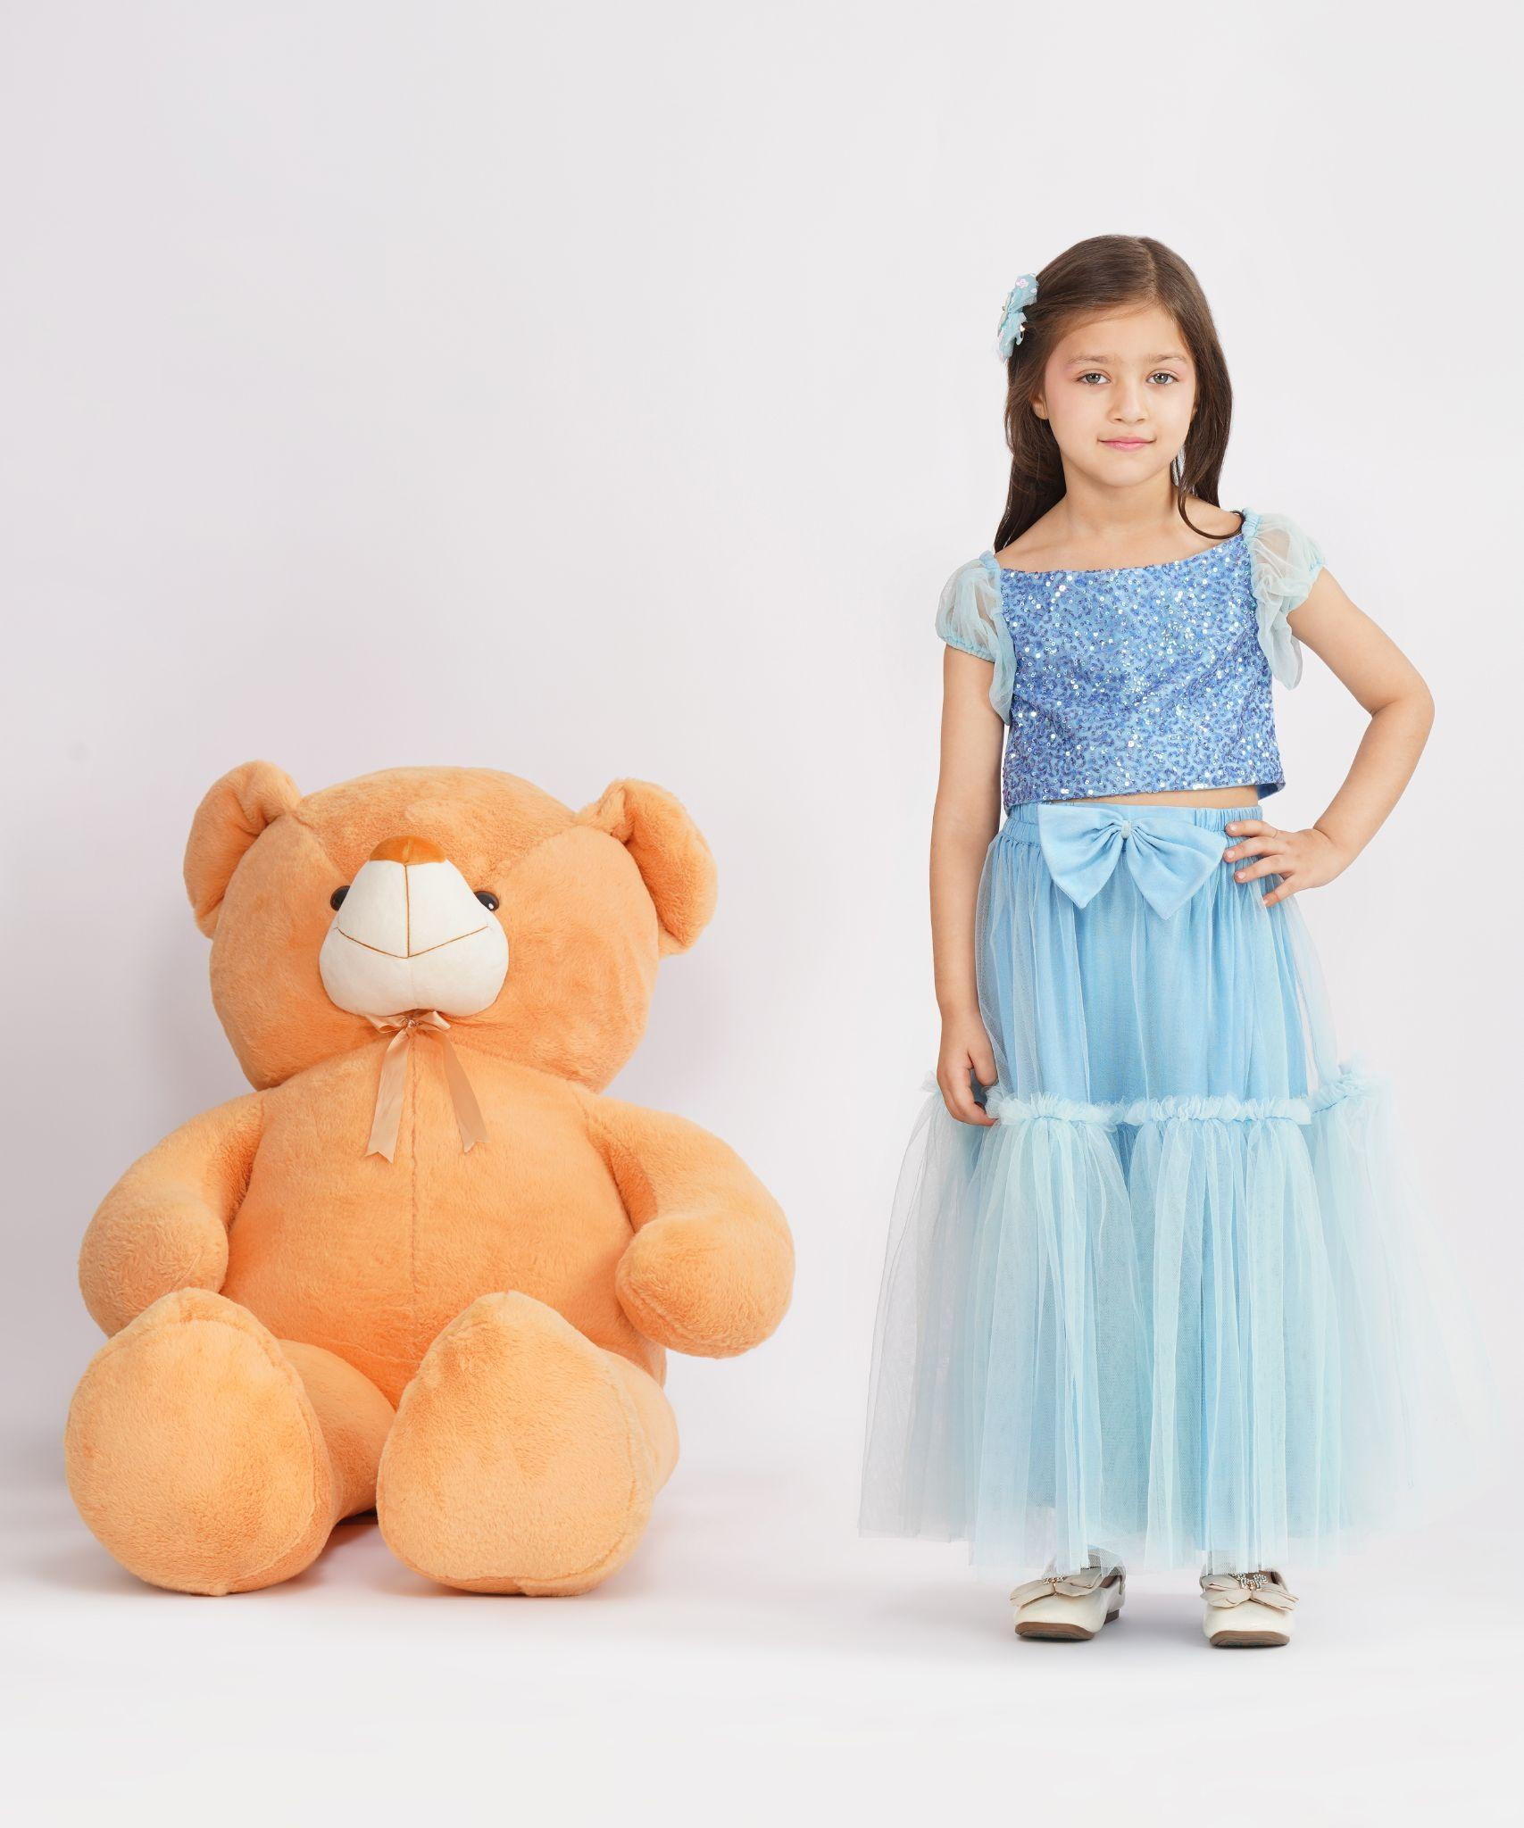 | Fabric: Tulle Lining: Cotton satin Color: Powder blue Sleeve Style: Sheer puff sleeves Neckline: Square neck Closure: Button-down back Type of Work: Hand-embellished sequin work Margins: 3-4 inches margin in Chest Components: Top, Lehenga Image Taken of: 5-6 years Care Instructions: Dry clean Style Code: CC-JR25-1/L1 | Lehengas | Cloud Puff | Featuring a powder blue layered lehenga for girls in airy tulle with gentle gathers & a statement tulle bow at the waist. It is paired with a hand-embellished back button-down bodice adorned with shimmering sequins & soft tulle puff sleeves. | - | - | - | 7864 | 7864 | 10014 | 10014 | 10014 | 11014 | 11014 | 12014 | 12014 | 13014 | 13014 | 14014 | 14014 | 15014 | 15014
2 | 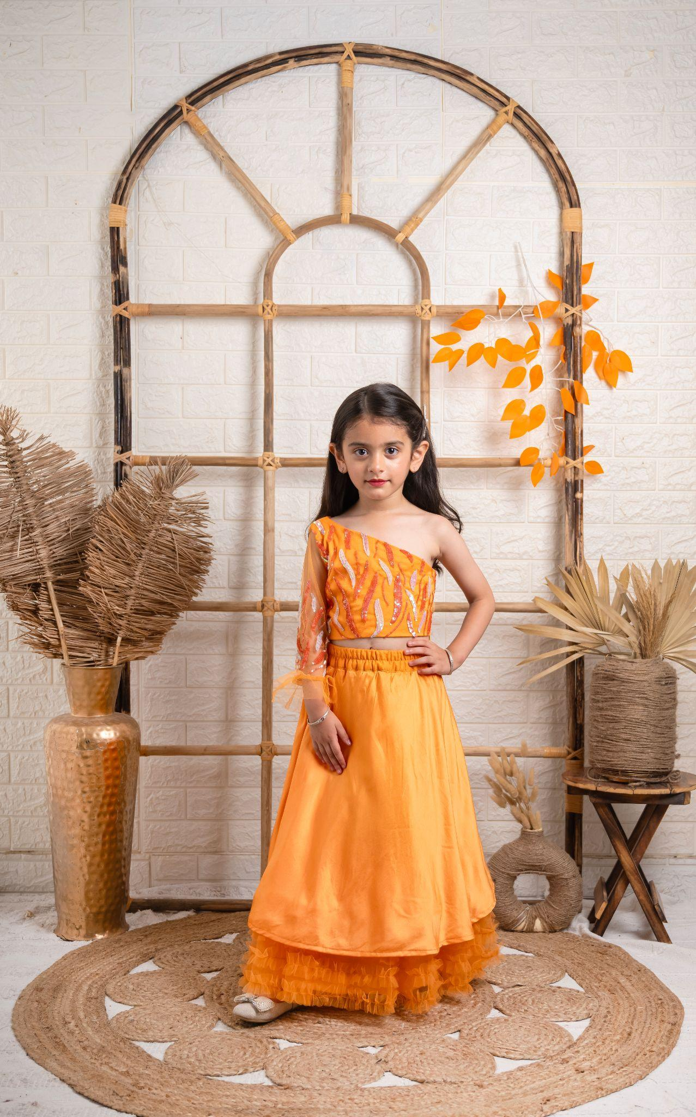 | Fabric: Satin, Tulle Lining: Cotton satin Color: Orange Sleeve: One-shoulder Neckline: Asymmetrical neck Closure: Side zipper Type of Work: Hand-embellished sequin work Margins: 3-4 inches margin in Chest Components: Top, Lehenga, Dupatta Image Taken of: 5-6 years Care Instructions: Dry clean Style Code: CC-JR25-2/L2 | Lehengas | Mandarin | Featuring a tangerine orange one-shoulder blouse in net and satin with side zipper closure, hand-embellished with sequins in bold coral and iridescent aqua. It has a sheer net sleeve with abstract embroidery. It is paired with a voluminous layered skirt with top layer of satin and layered net ruffles underneath. | - | - | - | 8708 | 8708 | 10518 | 10518 | 10518 | 11518 | 11518 | 12518 | 12518 | 13518 | 13518 | 14518 | 14518 | 15518 | 15518
3 | 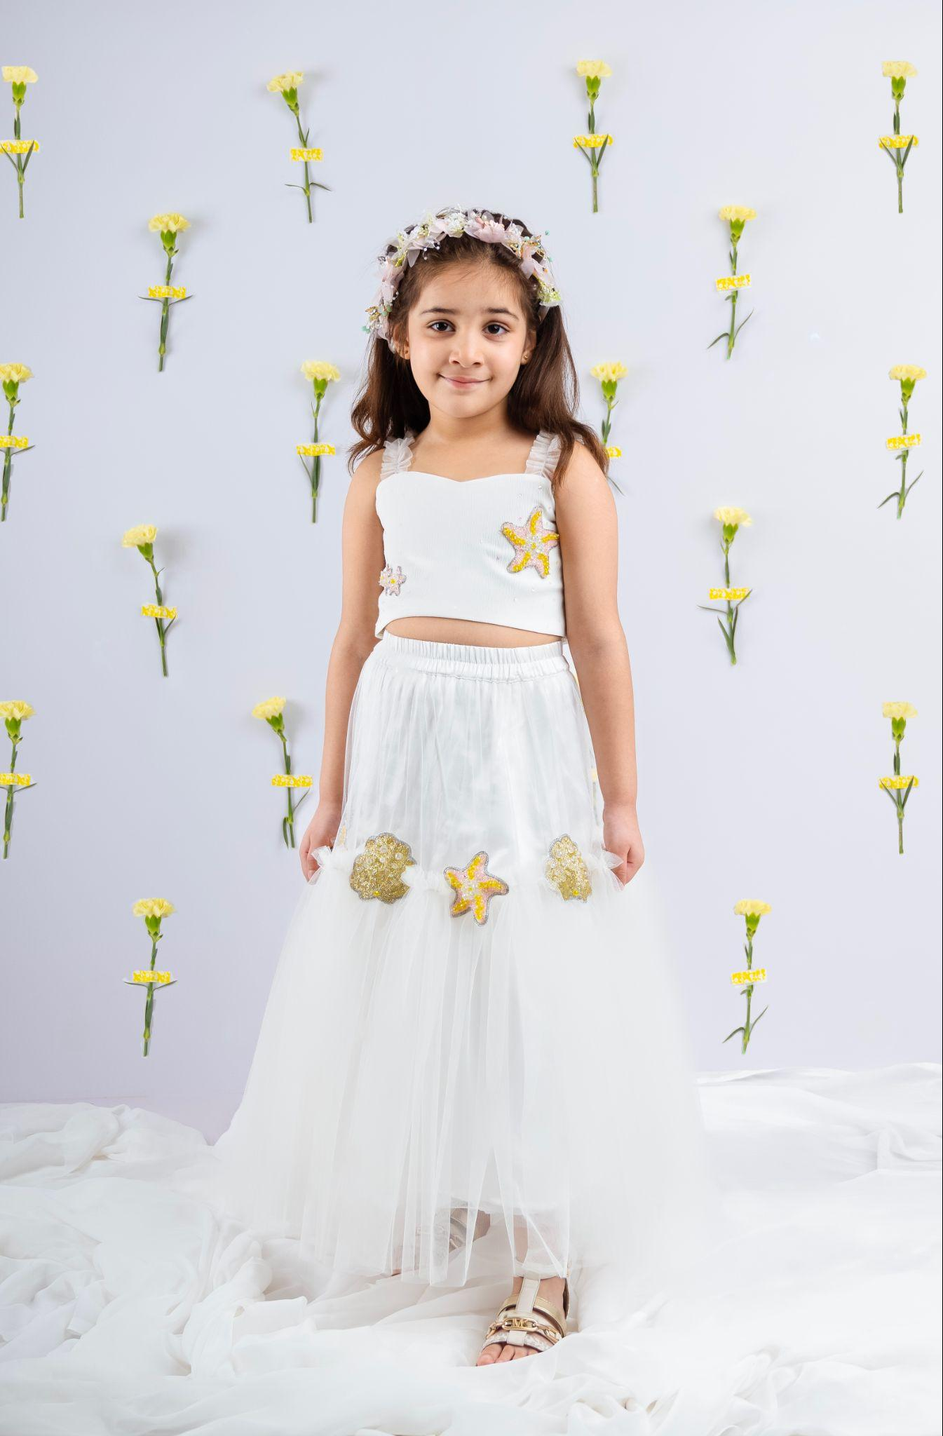 | Fabric: Cocktail satin, Tulle Lining: Cotton satin Color: White Sleeve: Sleeveless Neckline: Sweet heart neck Closure: Button-down back Type of Work: Hand-embellished sequins & pearls Margins: 3-4 inches margin in Chest Components: Top, Lehenga Image Taken of: 5-6 years Care Instructions: Dry clean Style Code: CC-JR25-3/L3 | Lehengas | Dove | Featuring a bodice in soft white, delicately scattered with subtle sequins & hand embellished starfish motifs and finished with ruffled net straps and a pearl button-down back. It is paired with a voluminous tulle skirt adorned with starfish and seashell motifs. | - | - | - | 8086 | 8086 | 9660 | 9660 | 9660 | 10660 | 10660 | 11660 | 11660 | 12660 | 12660 | 13660 | 13660 | 14660 | 14660
4 | 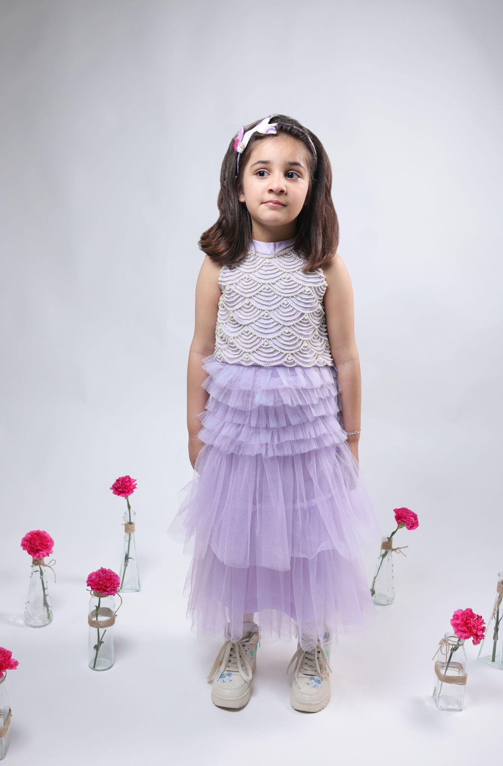 | Fabric: Tulle Lining: Cotton satin Color: Lilac Sleeve: Sleeveless Neckline: Round neck Closure: Side zipper Type of Work: Hand embellished pearl work Margins: 3-4 inches margin in Chest Components: Top, Lehenga, Dupatta Image Taken of: 5-6 years Care Instructions: Dry clean Style Code: CC-JR25-5/L5 | Lehengas | Kale-Lilac | Featuring a lilac lehenga for girls in net with hand-embellished pearl scallop top paired with cascading tulle skirt. Both the top and the skirt come with convenient side zipper openings for easy wear. | - | - | - | 8048 | 8048 | 9748 | 9748 | 9748 | 10748 | 10748 | 11748 | 11748 | 12748 | 12748 | 13748 | 13748 | 14748 | 14748
5 | 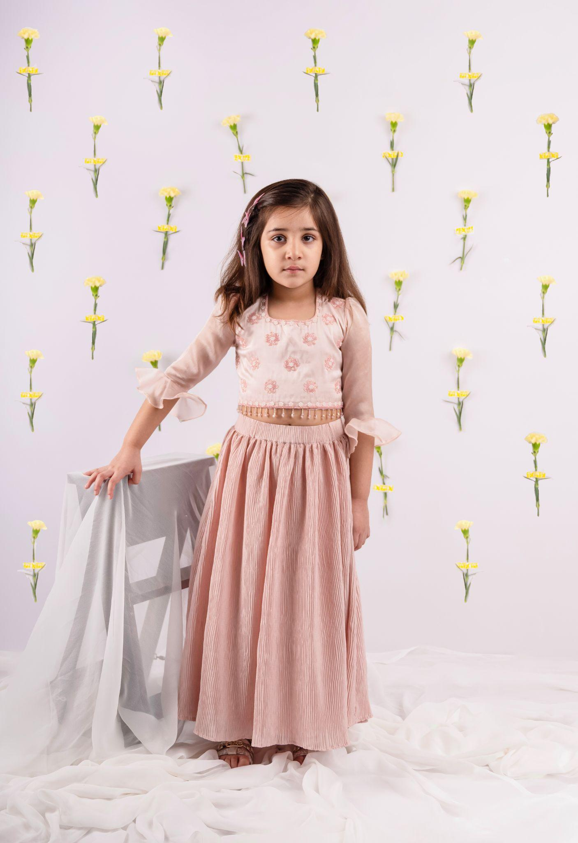 | Fabric: Satin, Satin organza, Crushed satin Lining: Cotton satin Color: Blush pink Sleeve: Full sleeves Neckline: U-neck Closure: Lace-up back Type of Work: Hand embellished cut-dana work Margins: 3-4 inches margin in Chest Components: Top, Lehenga Image Taken of: 4-5 years Care Instructions: Dry clean Style Code: CC-JR25-6/L6 | Lehengas | Candy | Featuring a blush pink lehenga set for girls in luscious satin fabric top adorned with tonal hand-embellished floral motifs, satin organza ruffle sleeves and corset-style lace-up back with soft inner lining. The skirt is made from crushed satin with fully elasticated waistband. | - | - | - | 7809 | 7809 | 9489 | 9489 | 9489 | 10489 | 10489 | 11489 | 11489 | 12489 | 12489 | 13489 | 13489 | 14489 | 14489
6 | 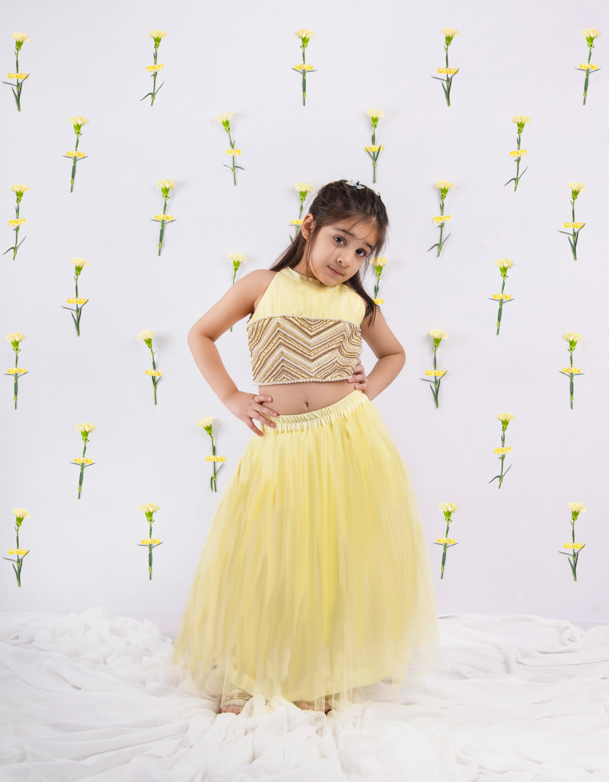 | Fabric: Tulle Lining: Cotton satin Color: Yellow Sleeve: Sleeveless Neckline: Round neck Closure: Side zipper Type of Work: Hand-embellished pearl, cut-dana work Margins: 3-4 inches margin in Chest Components: Top, Lehenga Image Taken of: 4-5 years Care Instructions: Dry clean Style Code: CC-JR25-18/L8 | Lehengas | Freesia | Featuring a soft yellow hand-embellished halter-style blouse, with intricate zigzag beading and sequin embroidery in soft gold & pearl tones. It is paired with a buttery-soft tulle lehenga skirt with voluminous layers and fully lined with breathable cotton satin. | - | - | - | 8590 | 8590 | 10029 | 10029 | 10029 | 11029 | 11029 | 12029 | 12029 | 13029 | 13029 | 14029 | 14029 | 15029 | 15029
7 | 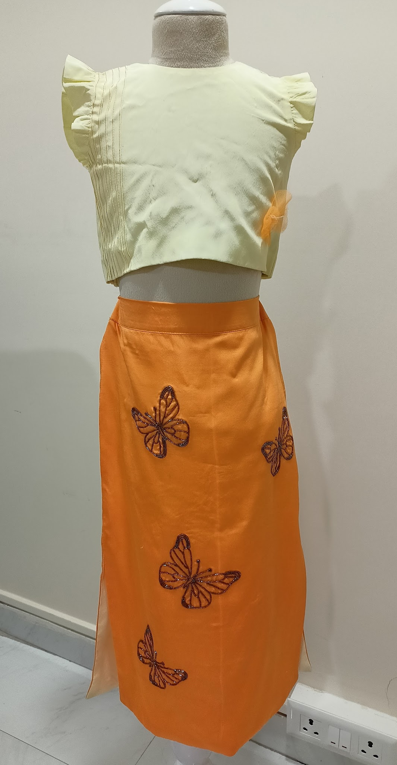 | Fabric: Crepe Lining: Cotton satin Color: Yellow/ orange Sleeve: Flutter sleeves Neckline: Round neck Closure: Back button-down Type of Work: Hand-embellished cut-dana work Margins: 3-4 inches margin in Chest Components: Top, Skirt Image Taken of: 4-5 years Care Instructions: Dry clean Style Code: CC-JR25-17/L7 | Skirt set | Daisy | Featuring a pastel yellow top in crepe with delicate pintucks and sweet flutter sleeves finished with back button-down closure . It is paired with a tangerine orange pencil skirt with side slits and embellished with hand-embroidered butterflies across the front. | - | - | - | 6036 | 6036 | 7256 | 7256 | 7256 | 8256 | 8256 | 8256 | 9256 | 9256 | 10256 | 10256 | 10256 | 11256 | 11256
8 | 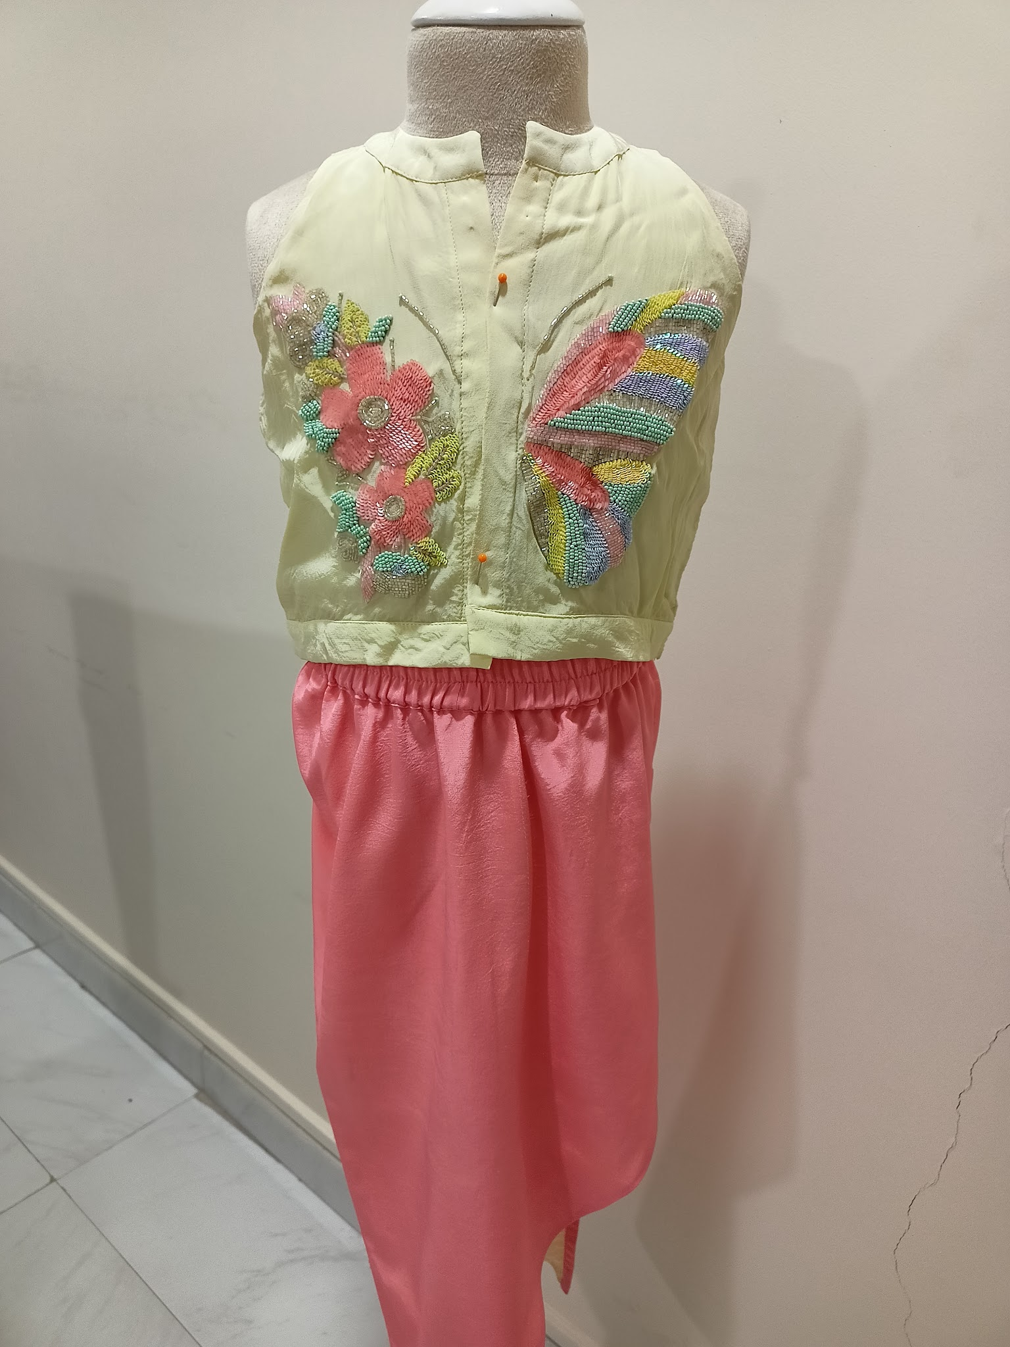 | Fabric: Crepe Lining: Cotton satin Color: Yellow/Pink Sleeve: Sleeveless Neckline: Round neck Closure: Front button-down Type of work: Hand embellished sequin, poat, cut-dana work Margins: Components: Top, Skirt Image taken of: 5-6 years Care Instructions: Dry clean Style Code: CC-JR25-4/L4 | Skirt set | Dusty Wings | Featuring a lemon yellow top for girls in crepe with round neckline and subtle front placket. it is hand-embellished with butterfly wing on one side and blooming floral appliques on the other. It is paired with a coral pink skirt with asymmetrical hemline and a contrast lemon yellow lining. | - | - | - | 7102 | 7102 | 8852 | 8852 | 8852 | 9852 | 9852 | 10852 | 10852 | 11852 | 11852 | 12852 | 12852 | 13852 | 13852
9 | 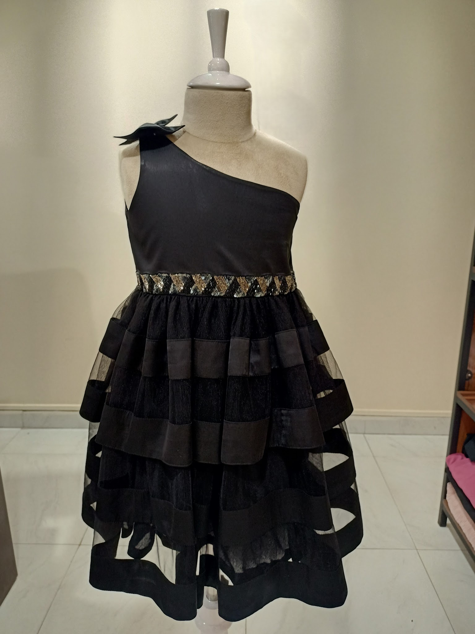 | Fabric: Armani satin, Tulle Lining: Cotton satin Color: Black Sleeve: One-shoulder Neckline: Asymmetrical neck Closure: Side zipper Type of Work: Hand embellished Margins: 3-4 inches margin in Chest Components: Dress Image Taken of: 4-5 years Care Instructions: Dry clean Style Code: CC-JR25-8/D2 | Dresses | Blush Pepper | Featuring a black one-shoulder dress for girls in satin bodice with a sculpted bow and side zipper closure. The botttom part of the dress is crafted with alternating layers of net with satin fabric detailing and the waistline is embellished with metallic belt. | - | - | 4925 | 5865 | 5865 | 6825 | 6825 | 6825 | 7825 | 7825 | 7825 | 8825 | 8825 | 8825 | - | - | - | -
10 | 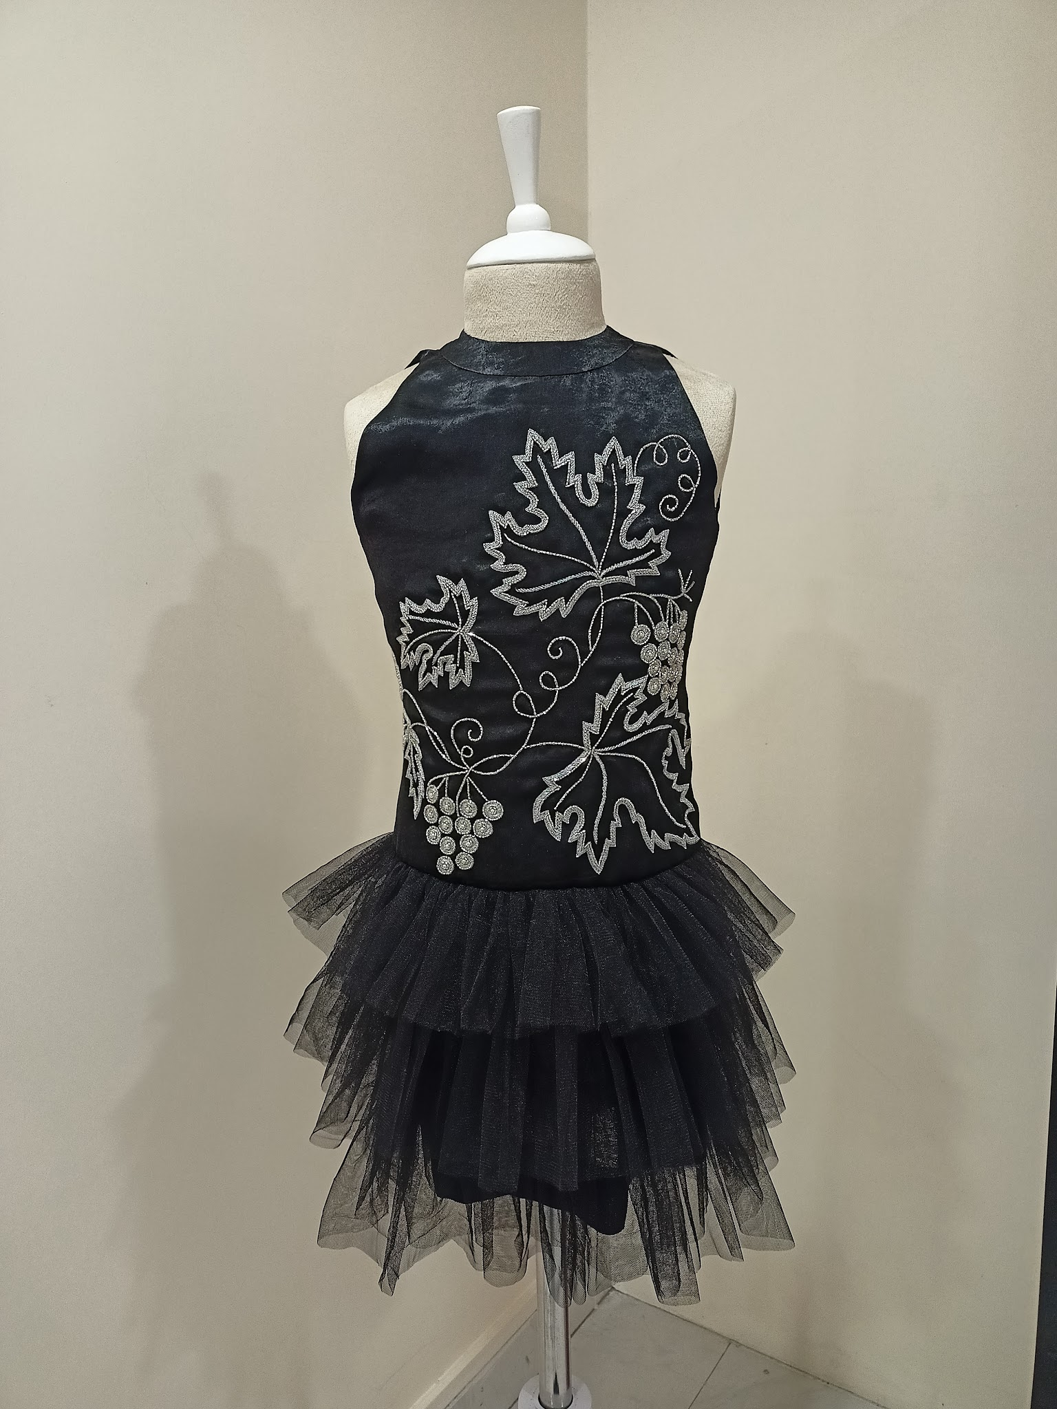 | Fabric: Sandwash satin, Tulle Lining: Cotton satin Color: Black Sleeve: Sleeveless Neckline: Round neck Closure: Back zipper, button-loop Type of Work: Hand embellished Margins: 3-4 inches margin in Chest Components: Dress Image Taken of: 4-5 years Care Instructions: Dry clean Style Code: CC-JR25-9/D3 | Dresses | Moonlight | Featuring a black sleeveless halter-neck dress for girls in sandwash satin bodice with intricate silver vine embroidery and beaded grape motif. Below the waist, the dress blooms into multi-layered tulle ruffles finished with a concealed back zipper for ease of wear. | - | - | - | 6825 | 6825 | 7967 | 7967 | 7967 | 8967 | 8967 | 8967 | 9967 | 9967 | 9967 | - | - | - | -
11 | 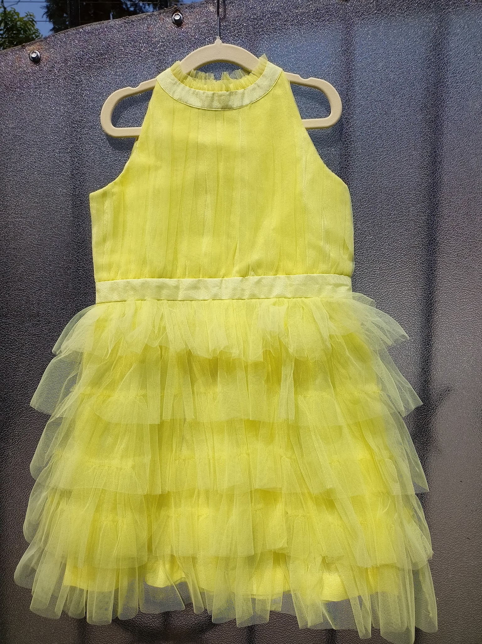 | Fabric: Tulle Lining: Cotton satin Color: Lime Sleeve: Sleeveless Neckline: Round neck Closure: Back zipper Type of Work: No embroidery Margins: 3-4 inches margin in Chest Components: Dress Image Taken of: 4-5 years Care Instructions: Dry clean Style Code: CC-JR25-10/D4 | Dresses | Honeybee | Featuring a lime yellow dress for girls in soft high-neck bodice with vertical pleated tulle detailing and voluminous multi-tiered ruffle layeres at the bottom. It is finished with a back zipper closure. | - | - | 4142 | 4550 | 4550 | 4958 | 4958 | 4958 | 5958 | 5958 | 5958 | 6958 | 6958 | 6958 | - | - | - | -
12 | 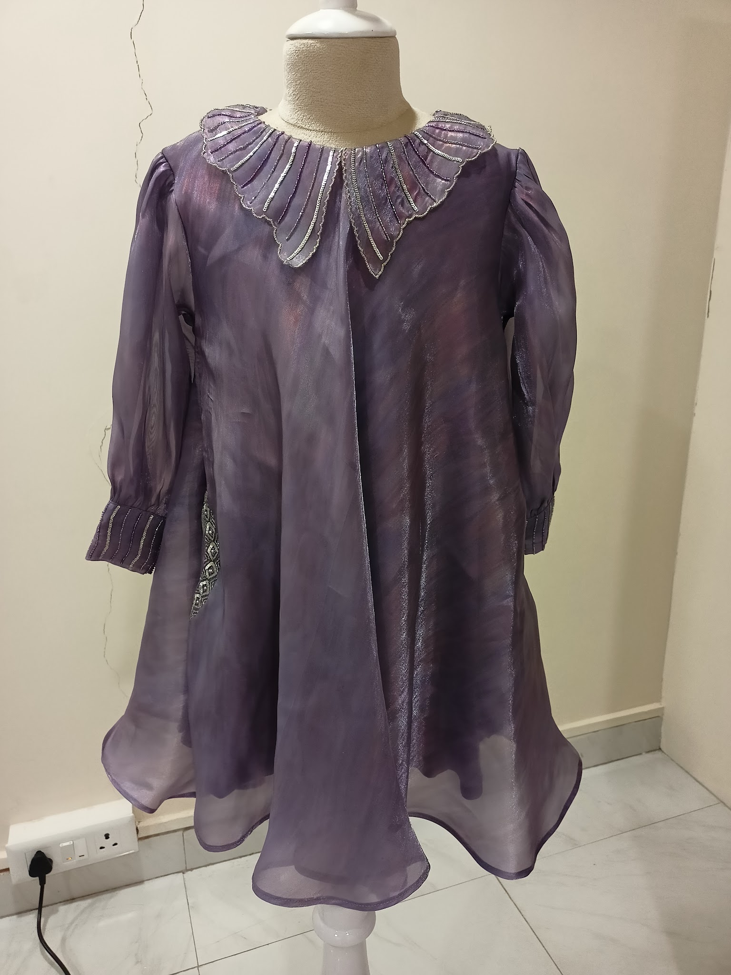 | Fabric: Rainbow organza Lining: Cotton satin Color: Purple Sleeve: Full balloon sleeve Neckline: Round neck Closure: Back zipper Type of Work: Hand embellished Margins: 3-4 inches margin in Chest Components: Dress Image Taken of: 4-5 years Care Instructions: Dry clean Style Code: CC-JR25-11/D5 | Dresses | Candy Blush | Featuring a purple dress for girls in rainbow organza fabric. It is a flared A-line dress hand-embellished in statement butterfly collar scalloped at the edges with delicate work. Full- length sheer puffed sleeves end in smocked cuff with metallic embellishment and two side pockets. | - | - | 6323 | 6823 | 6823 | 8323 | 8323 | 8323 | 9323 | 9323 | 9323 | 10323 | 10323 | 10323 | - | - | - | -
13 | 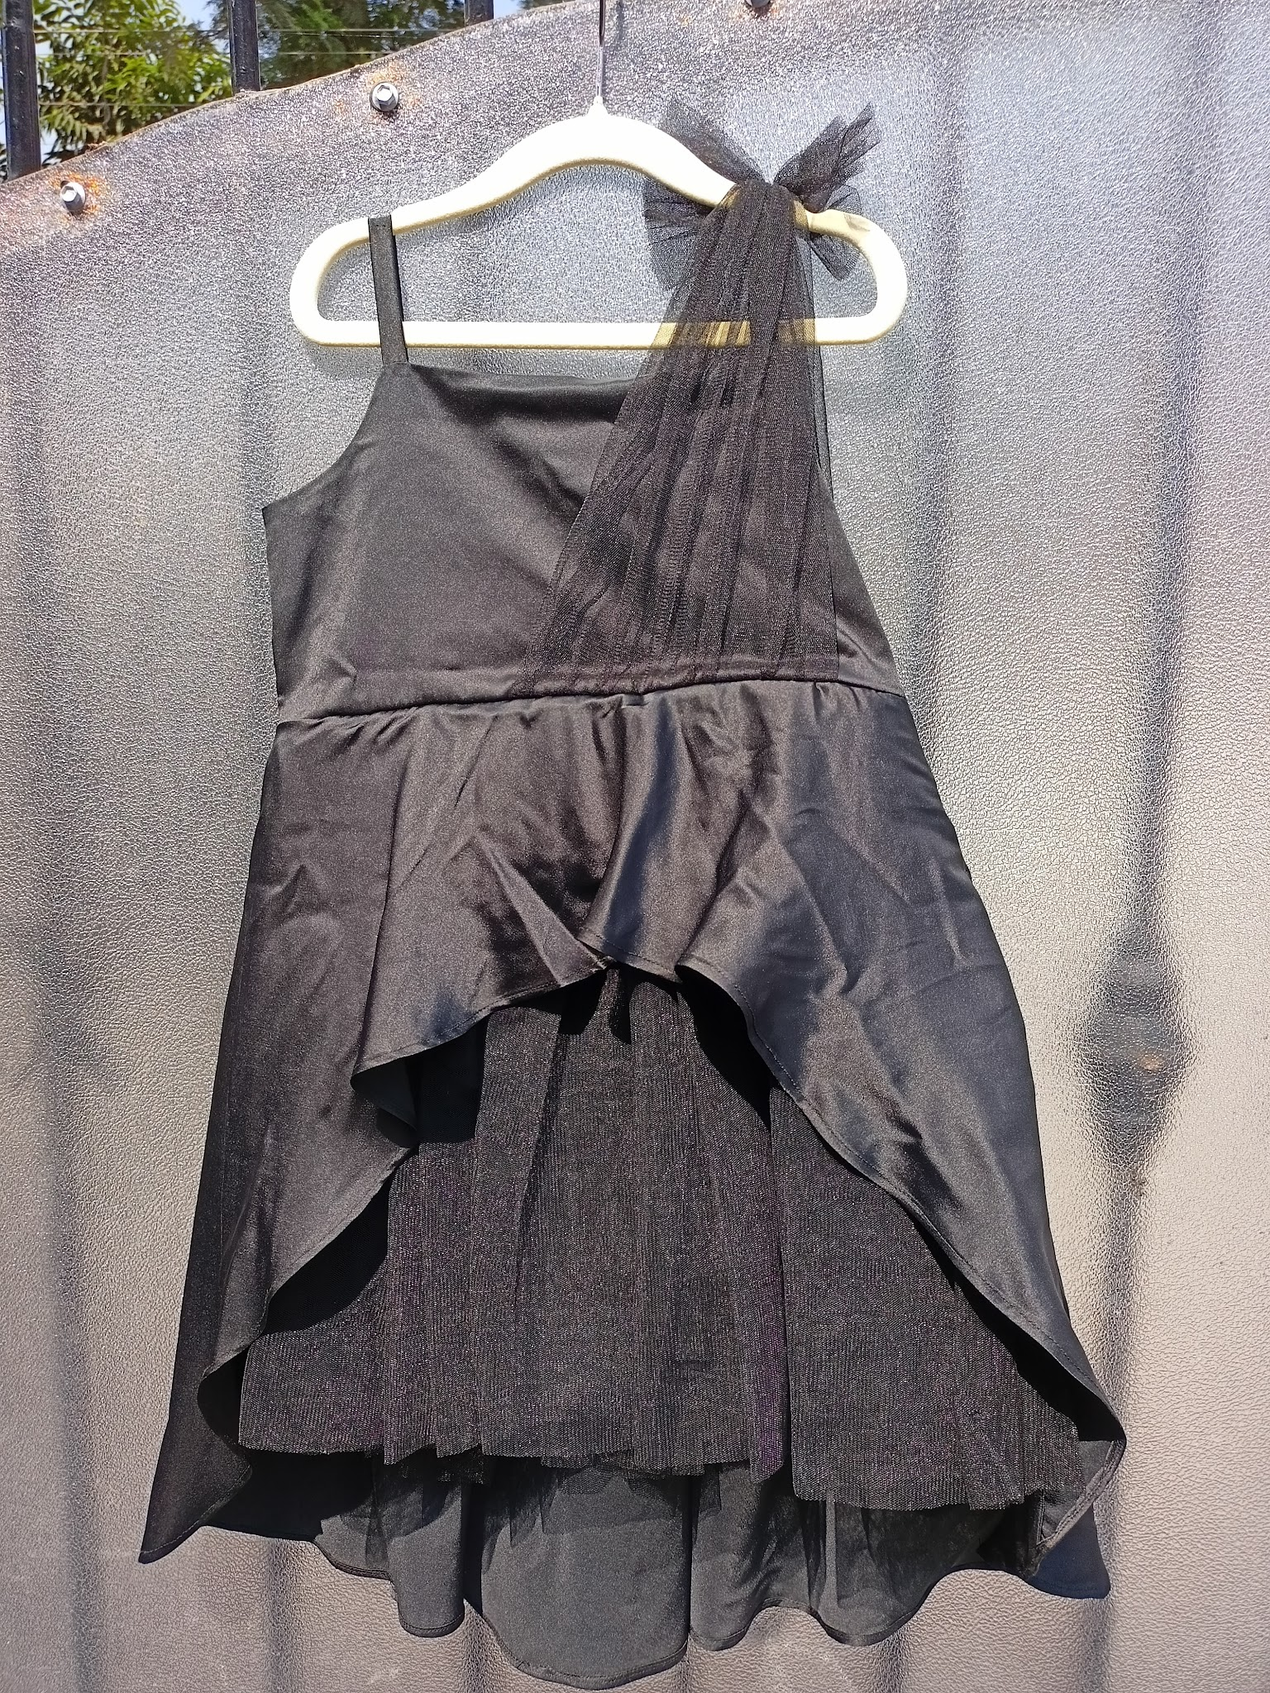 | Fabric: Armani satin, Tulle Lining: Cotton satin Color: Black Sleeve: Sleeveless Neckline: U-neck Closure: Side zipper Type of Work: No embroidery Margins: 3-4 inches margin in Chest Components: Dress Image Taken of: 4-5 years Care Instructions: Dry clean Style Code: CC-JR25-19/D6 | Dresses | Dazzle | Featuring a black dress for girls in satin bodice with delicate spaghetti straps complemented by a sheer tulle one-shoulder overlay that ties into a soft bow. It has an asymmetrical layered bottom with a gathered tulle underlayer. | - | - | - | 4962 | 4962 | 5992 | 5992 | 5992 | 6992 | 6992 | 6992 | 7992 | 7992 | 7992 | - | - | - | -
14 | 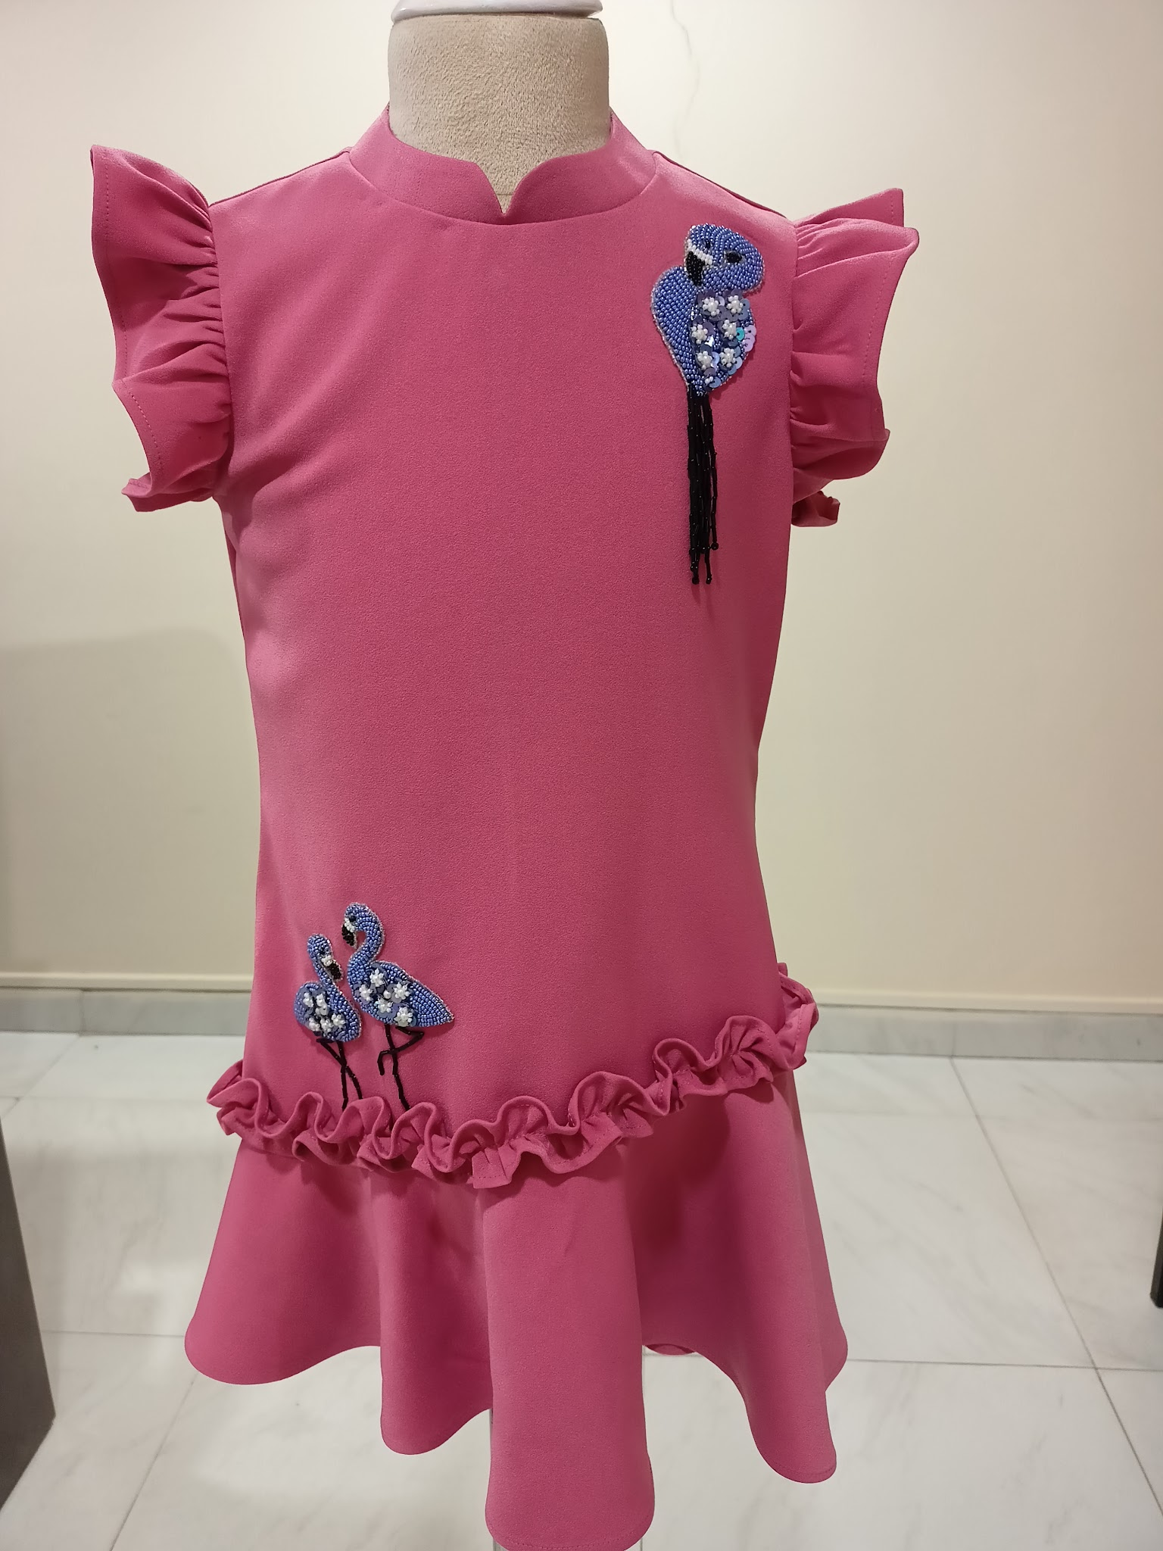 | Fabric: Banana crepe Lining: Cotton Color: Pink Sleeve: Cap sleeves Neckline: Round neck Closure: Back zipper Type of Work: Hand embellished Margins: 3-4 inches margin in Chest Components: Dress Image Taken of: 4-5 years Care Instructions: Dry clean Style Code: CC-JR25-20/D7 | Dresses | Flamingo | Featuring a rose pink dress for girls in banana crepe tailored in A-line silhouette with ruffled sleeves, frilled waistline and gentle flare at the hem. It highlights in hand-embellished 3D tropical flamingos and a zip-up back closure. | - | - | - | 5094 | 5094 | 6094 | 6094 | 6094 | 7094 | 7094 | 7094 | 8094 | 8094 | 8094 | - | - | - | -
15 | 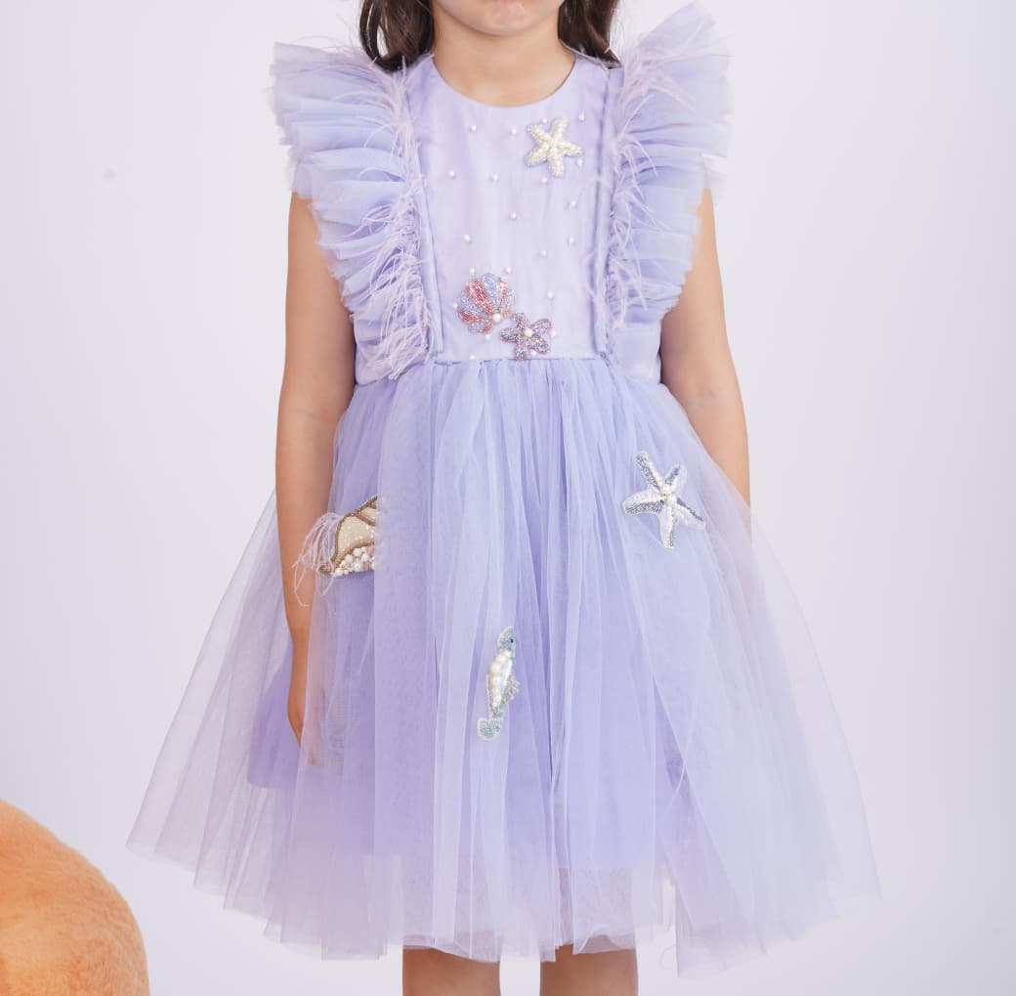 | Fabric: Tulle Lining: Cotton satin Color: Lilac Sleeve: Flutter sleeves Neckline: Round neck Closure: Back button-down Type of Work: Hand embellished Margins: 3-4 inches margin in Chest Components: Dress Image Taken of: 4-5 years Care Instructions: Dry clean Style Code: CC-JR26-30/D12 | Dresses | Cotton Candy | Featuring a lilac tulle dress for girls with delicate pearl-bodice and soft cascading ruffles along the shoulders. The multi-layered tulle skirt adds natural volume, offering effortless flare and movement. Hand-embroidered ocean elements—including a starfish, shell, seahorse, and jellyfish—are placed across the dress, each made with sequins and beadwork for subtle sparkle. | - | - | - | 9306 | 9306 | 10306 | 10306 | 10306 | 11306 | 11306 | 12306 | 12306 | 13306 | 13306 | - | - | - | -
16 | 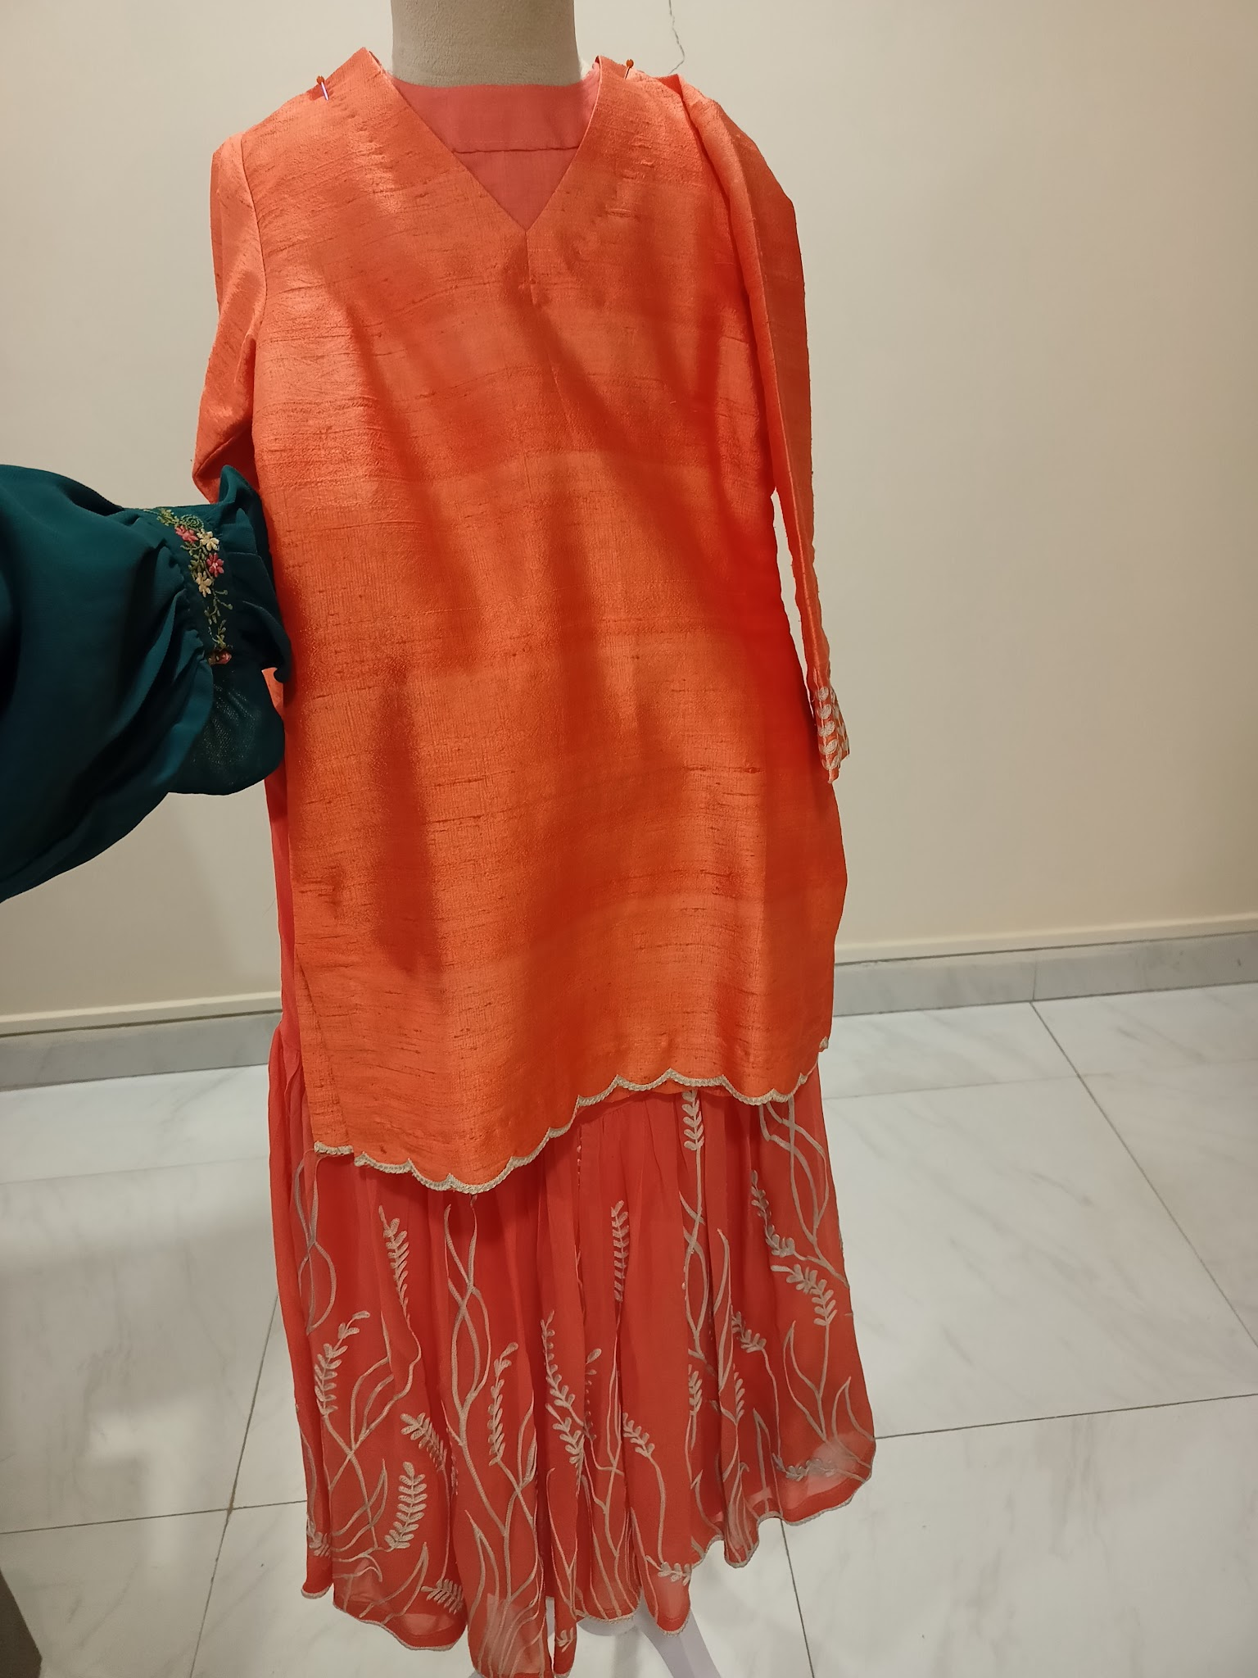 | Fabric: Raw silk, Georgette Lining: Mulmul Color: Orange Sleeve: Full sleeves Neckline: V-neck Closure: Pull on Type of Work: Thread work Components: Kurta, Sharara Margins: 3-4 inches margin in Chest Image Taken of: 4-5 years Care Instructions: Dry clean Style Code: CC-JR25-13/S2 | Sharara set | Maple | Featuring a tangerine orange raw silk kurta in V-neck, scalloped hem and full sleeves with thread embroidery on the cuff. It is paired with a flowy gathered gharara in georgette embellished with delicate ivory thread embroidery in a nature-inspired motif. | - | - | - | 9389 | 9389 | 11389 | 11389 | 11389 | 12389 | 12389 | 12389 | 13389 | 13389 | 13389 | 14389 | 14389 | 15389 | 15389
17 | 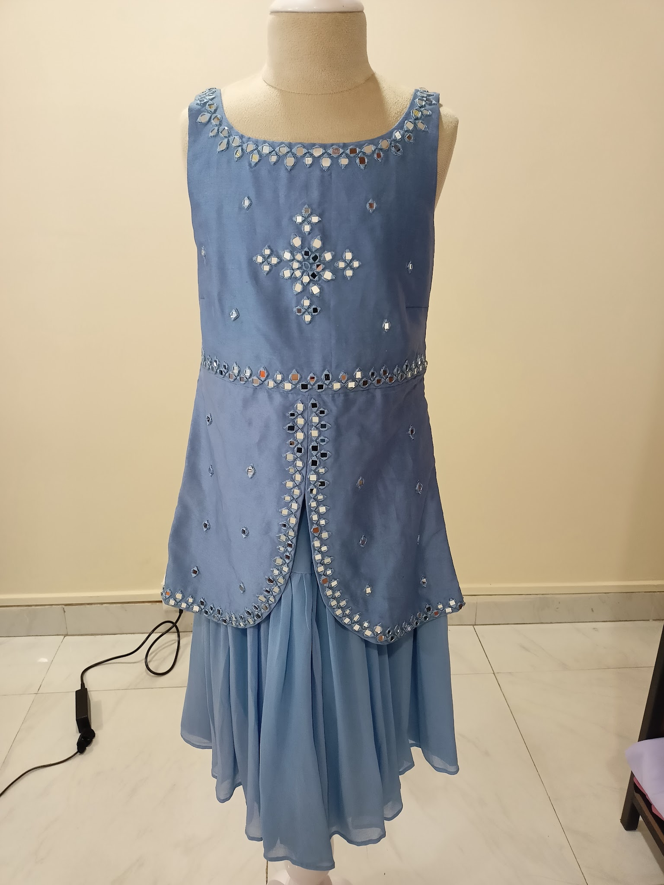 | Fabric: Chanderi silk, Georgette Lining: Mulmul Color: Powder blue Sleeve: Sleeveless Neckline: Wide round neck Closure: Pull on Type of Work: Mirror work Margins: 3-4 inches margin in Chest Components: Kurta, Sharara, Dupatta Image Taken of: 4-5 years Care Instructions: Dry clean Style Code: CC-JR25-16/S5 | Sharara set | Alaskan | Featuring a soft blue sleeveless kurta ensemble with intricate mirror work in chanderi silk fabric. The kurta is embroidered with delicate mirror placements along the neckline, center panel and a rounded hemline opening at the front. Paired with a georgette sharara fully lined adding both comfort and flare. | - | - | - | 9056 | 9056 | 10106 | 10106 | 10106 | 11106 | 11106 | 11106 | 12106 | 12106 | 12106 | 13106 | 13106 | 14106 | 14106
18 | 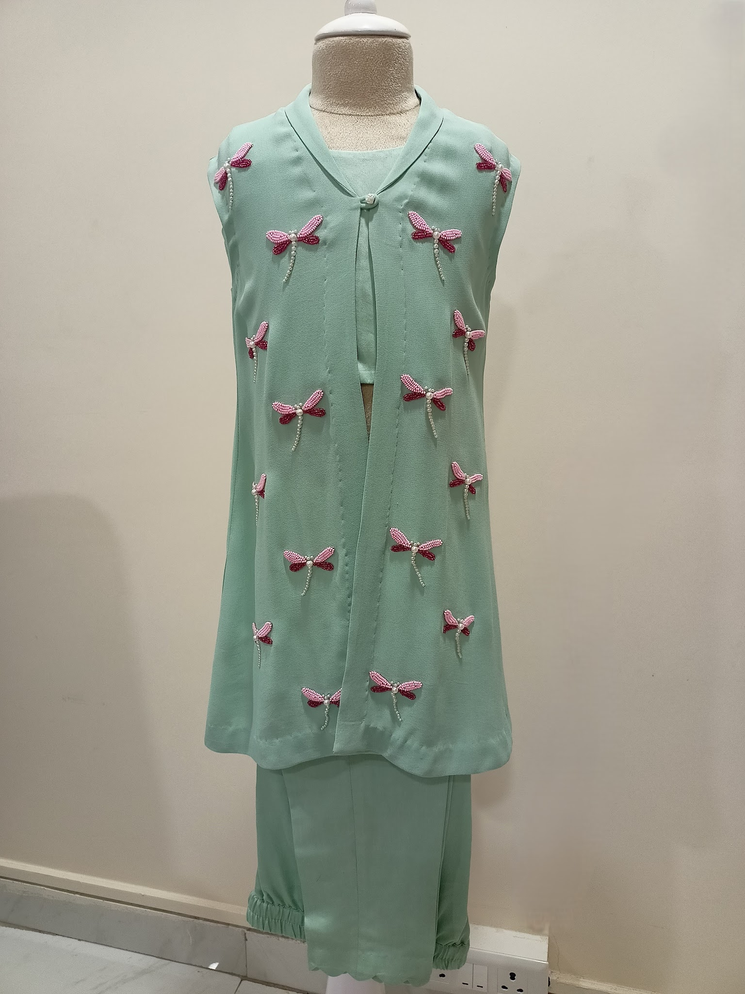 | Fabric: Malai silk, Georgette Lining: Mulmul Color: Green Sleeve: Sleeveless Neckline: Top: U-neck, Shrug: V-neck Closure: Crop top: Back button-down Type of Work: Hand embellished Margins: 3-4 inches margin in Chest Components: Crop top, Pant, Shrug Image Taken of: 4-5 years Care Instructions: Dry clean Style Code: CC-JR25-12/S1 | Kurta set | Zoe | Featuring a sage green jacket for girls in double georgette with hand-embroidered pink dragonflies. It is completed with a coordinated inner crop top and scalloped hem straight-fit pants in malai silk fabric. | - | - | - | 8720 | 8720 | 9920 | 9920 | 9920 | 10920 | 10920 | 10920 | 11920 | 11920 | 11920 | 12920 | 12920 | 12920 | 12920
19 | 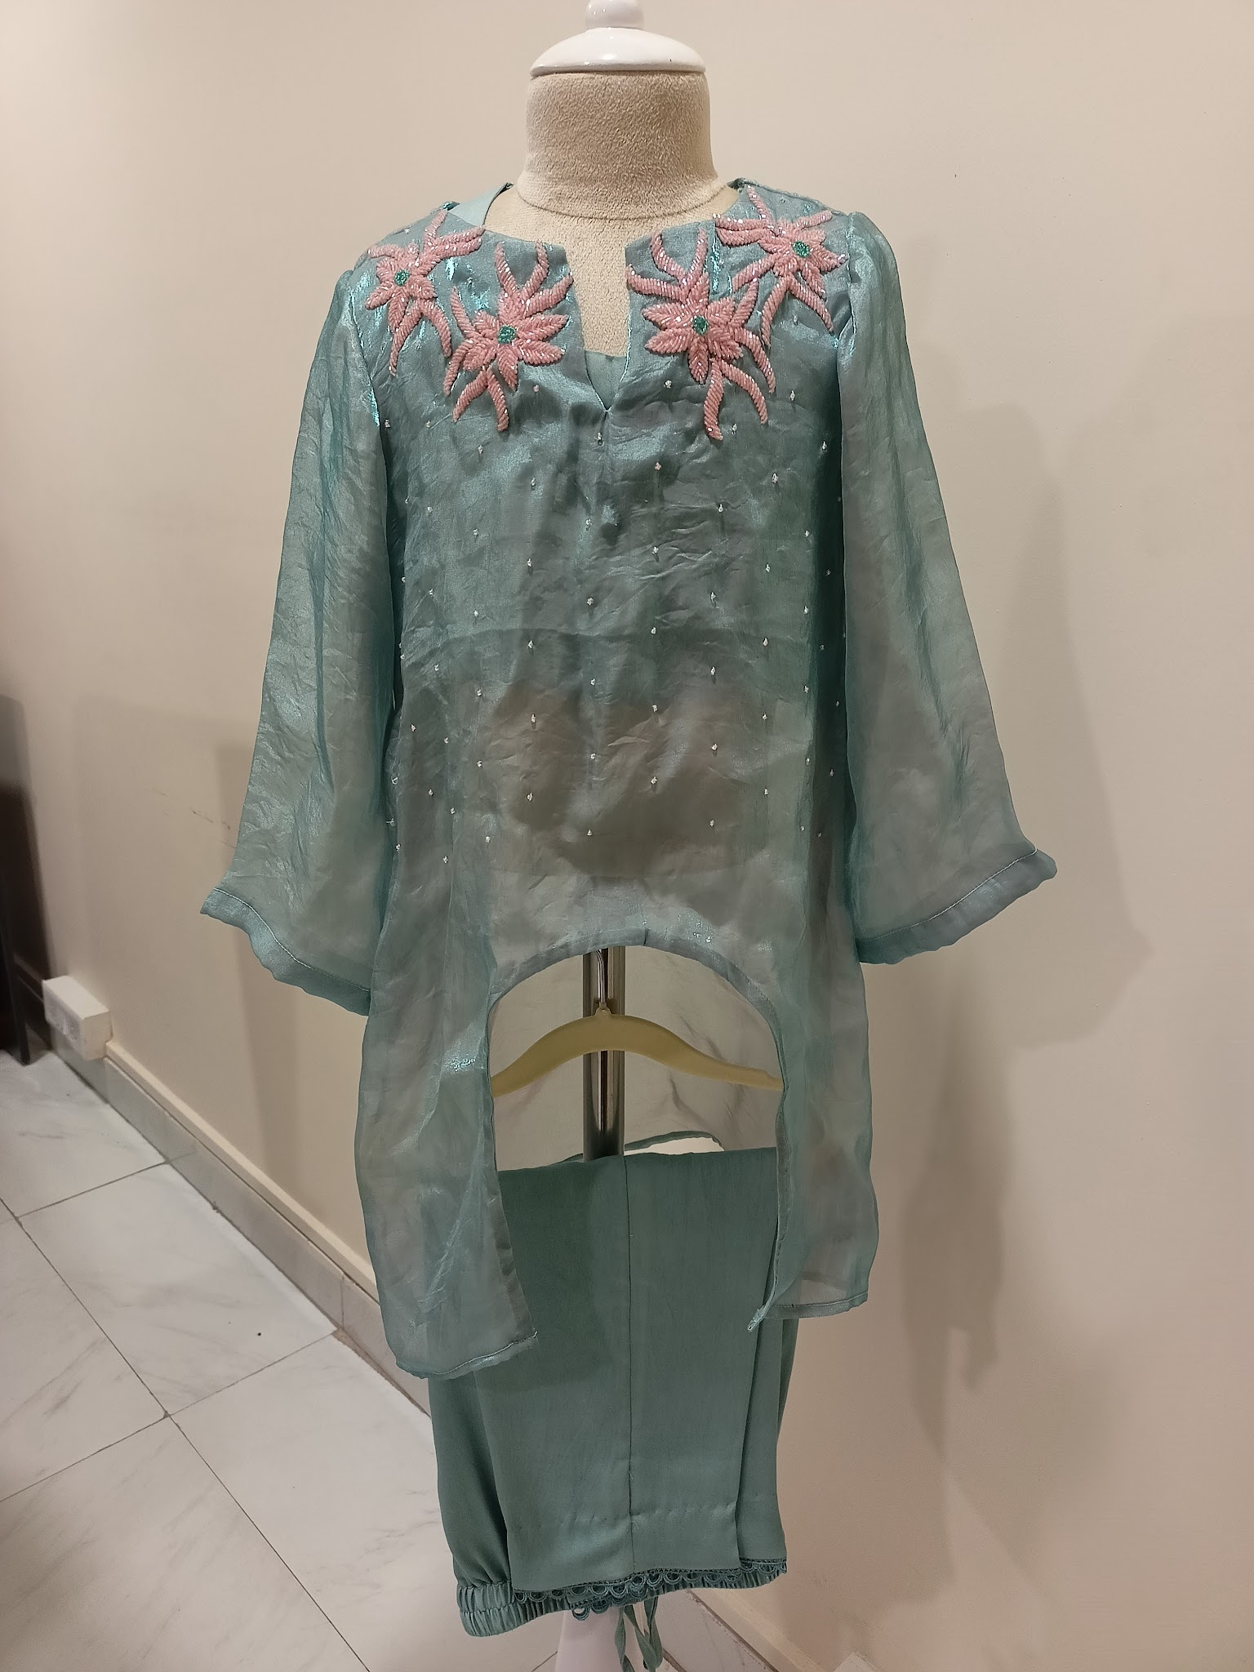 | Fabric: Malai silk, Organza Lining: Mulmul Color: Green Sleeve: Full sleeves Neckline: Notched neck Closure: Croptop: Back button-down Type of Work: Hand embellished Margins: 3-4 inches margin in Chest Components: Crop top, Pant, Pheran Image Taken of: 4-5 years Care Instructions: Dry clean Style Code: CC-JR25-14/S3 | Kurta set | Snowflake | Featuring a seafoam green organza pheran with intricate hand-embroidered snowflake motifs in pastel pink at the neckline and scattered tiny bead accents across the front. It is paired with a matching straight-fit pants and a crop top in malai silk fabric. | - | - | - | 7308 | 7308 | 8658 | 8658 | 8658 | 9658 | 9658 | 9658 | 10658 | 10658 | 10658 | 11658 | 11658 | 12658 | 12658
20 | 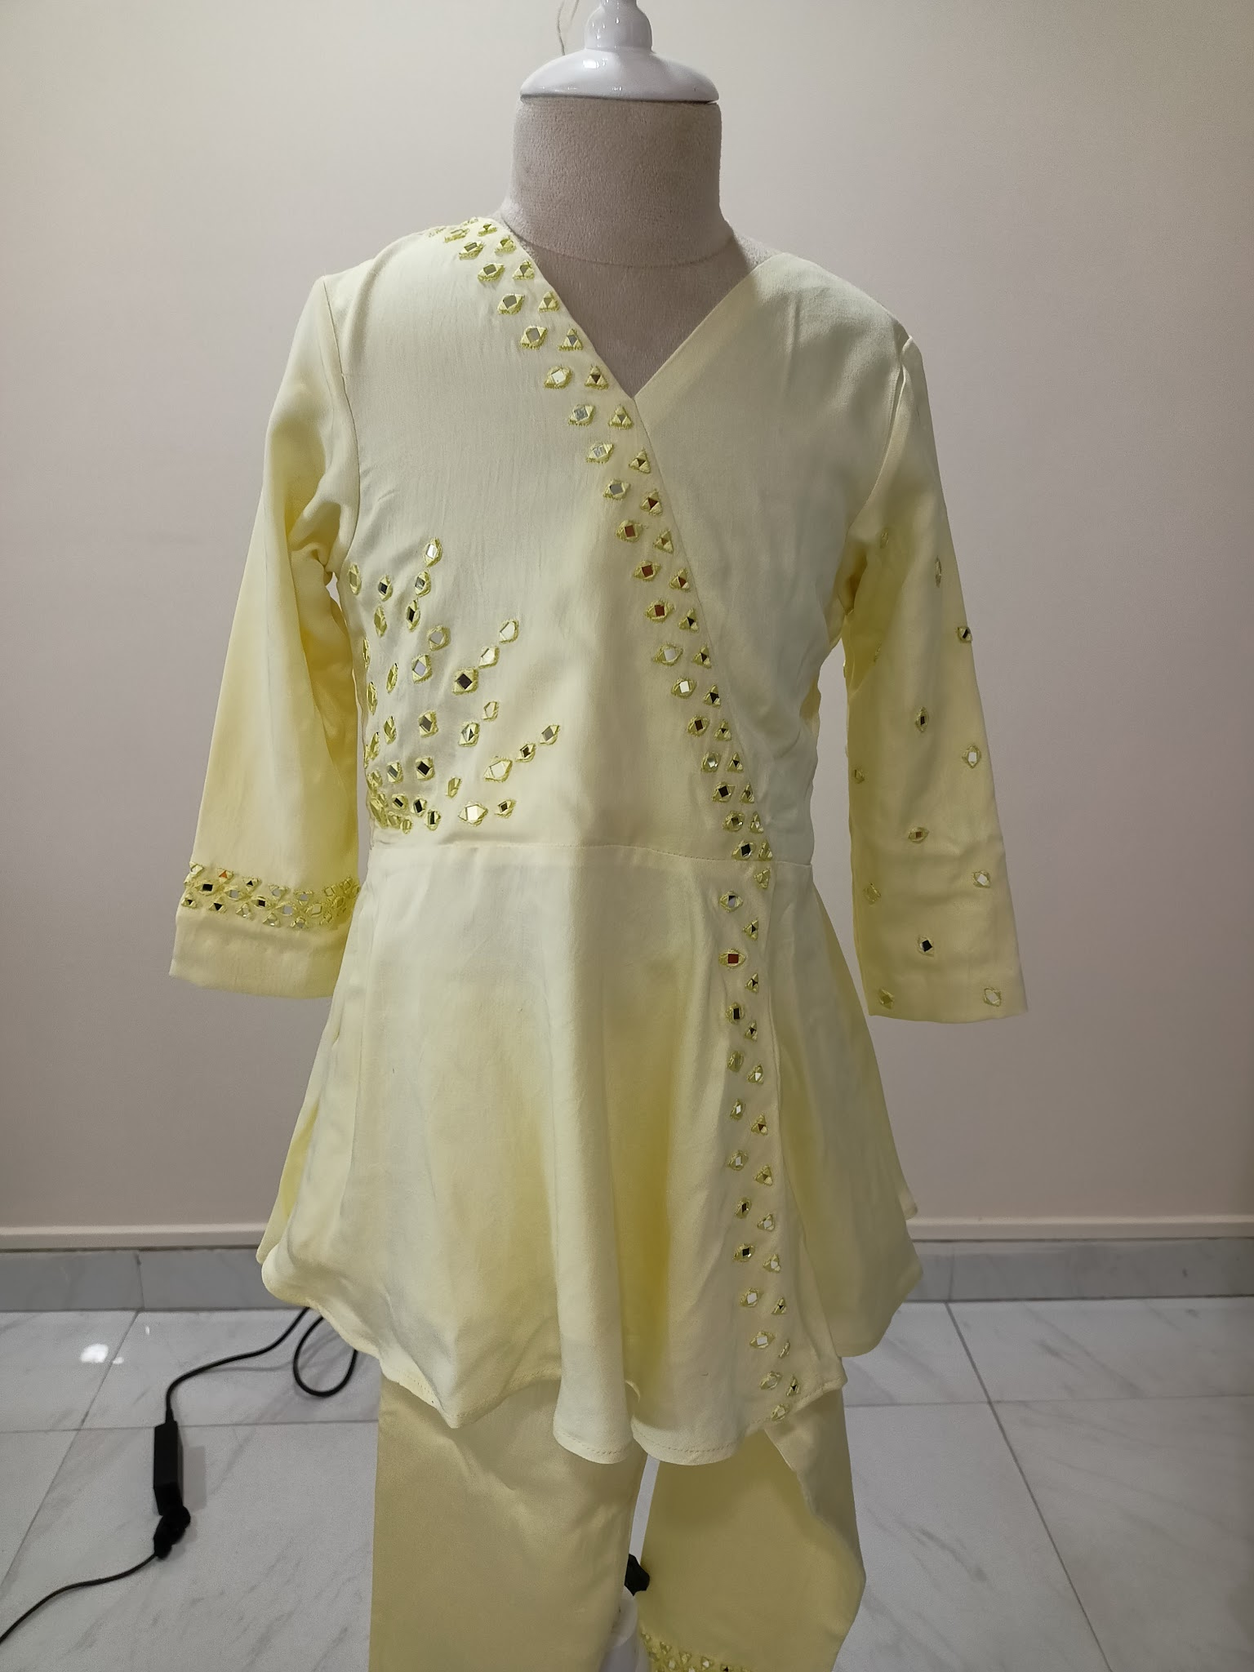 | Fabric: Malai silk Lining: Mulmul Color: Yellow Sleeve: Full sleeves Neckline: V-neck Closure: Pull on Type of Work: Mirror work Margins: 3-4 inches margin in Chest Components: Short kurta, Pant Image Taken of: 4-5 years Care Instructions: Dry clean Style Code: CC-JR25-22/S6 | Kurta set | Zing | Featuring a lemon yellow wrap-style kurta set in malai silk fabric. The kurta features scattered mirror work arranged in graceful pattern. It is paired with trousers finished with mirror detailing at the hem. | - | - | - | 7524 | 7524 | 9114 | 9114 | 9114 | 10114 | 10114 | 10114 | 11114 | 11114 | 11114 | - | - | - | -
21 | 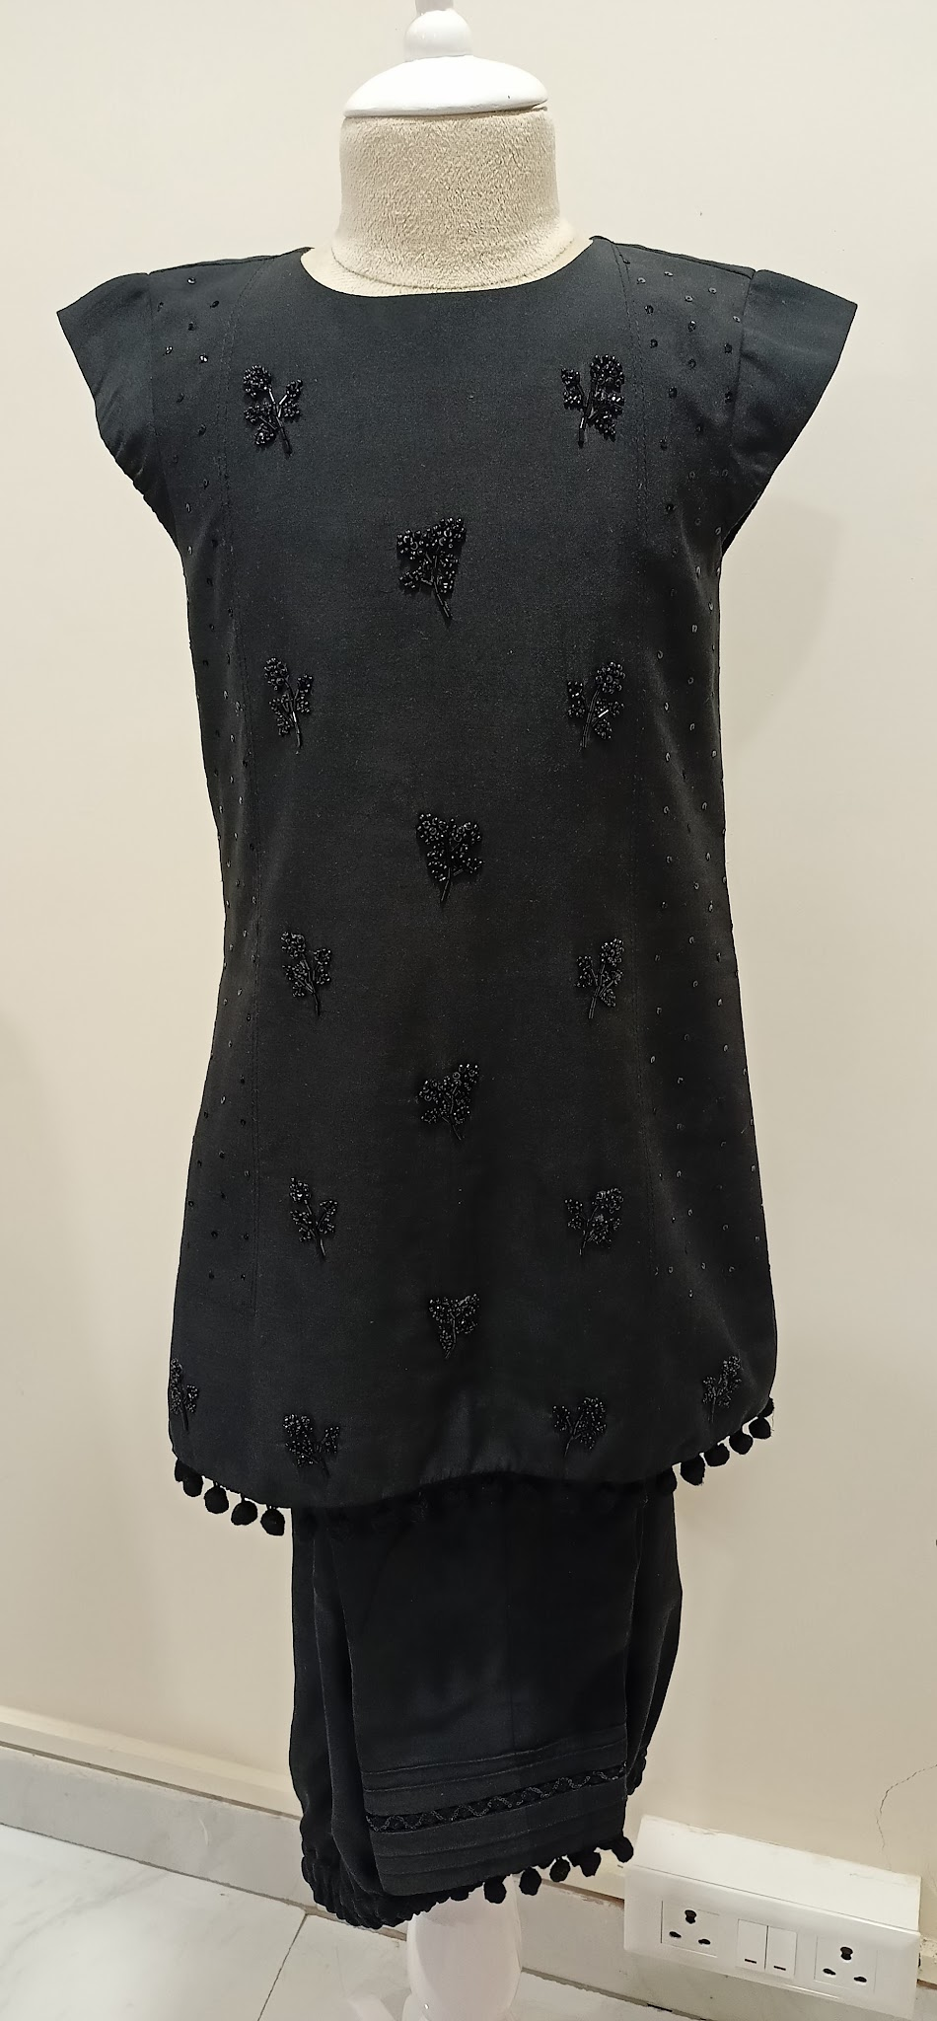 | Fabric: Malai silk Lining: Mulmul Color: Black Sleeve: Cap sleeves Neckline: Round neck Closure: Hook-eye Type of Work: Hand embellished Margins: 3-4 inches margin in Chest Components: Kurta, Pant Image Taken of: 4-5 years Care Instructions: Dry clean Style Code: CC-JR25-23/S7 | Kurta set | Zyra | Featuring a black cap sleeve co-ord set with hand embroidered bead work in floral motifs, complemented by fine sequin work along the sides. The hemline is finished with pom-pom lace detailing. It is paired with matching straight-fit pants featuring subtle trim and pintuck detailing at the edges. | - | - | - | 7304 | 7304 | 8804 | 8804 | 8804 | 9804 | 9804 | 9804 | 10804 | 10804 | 10804 | - | - | - | -
22 | 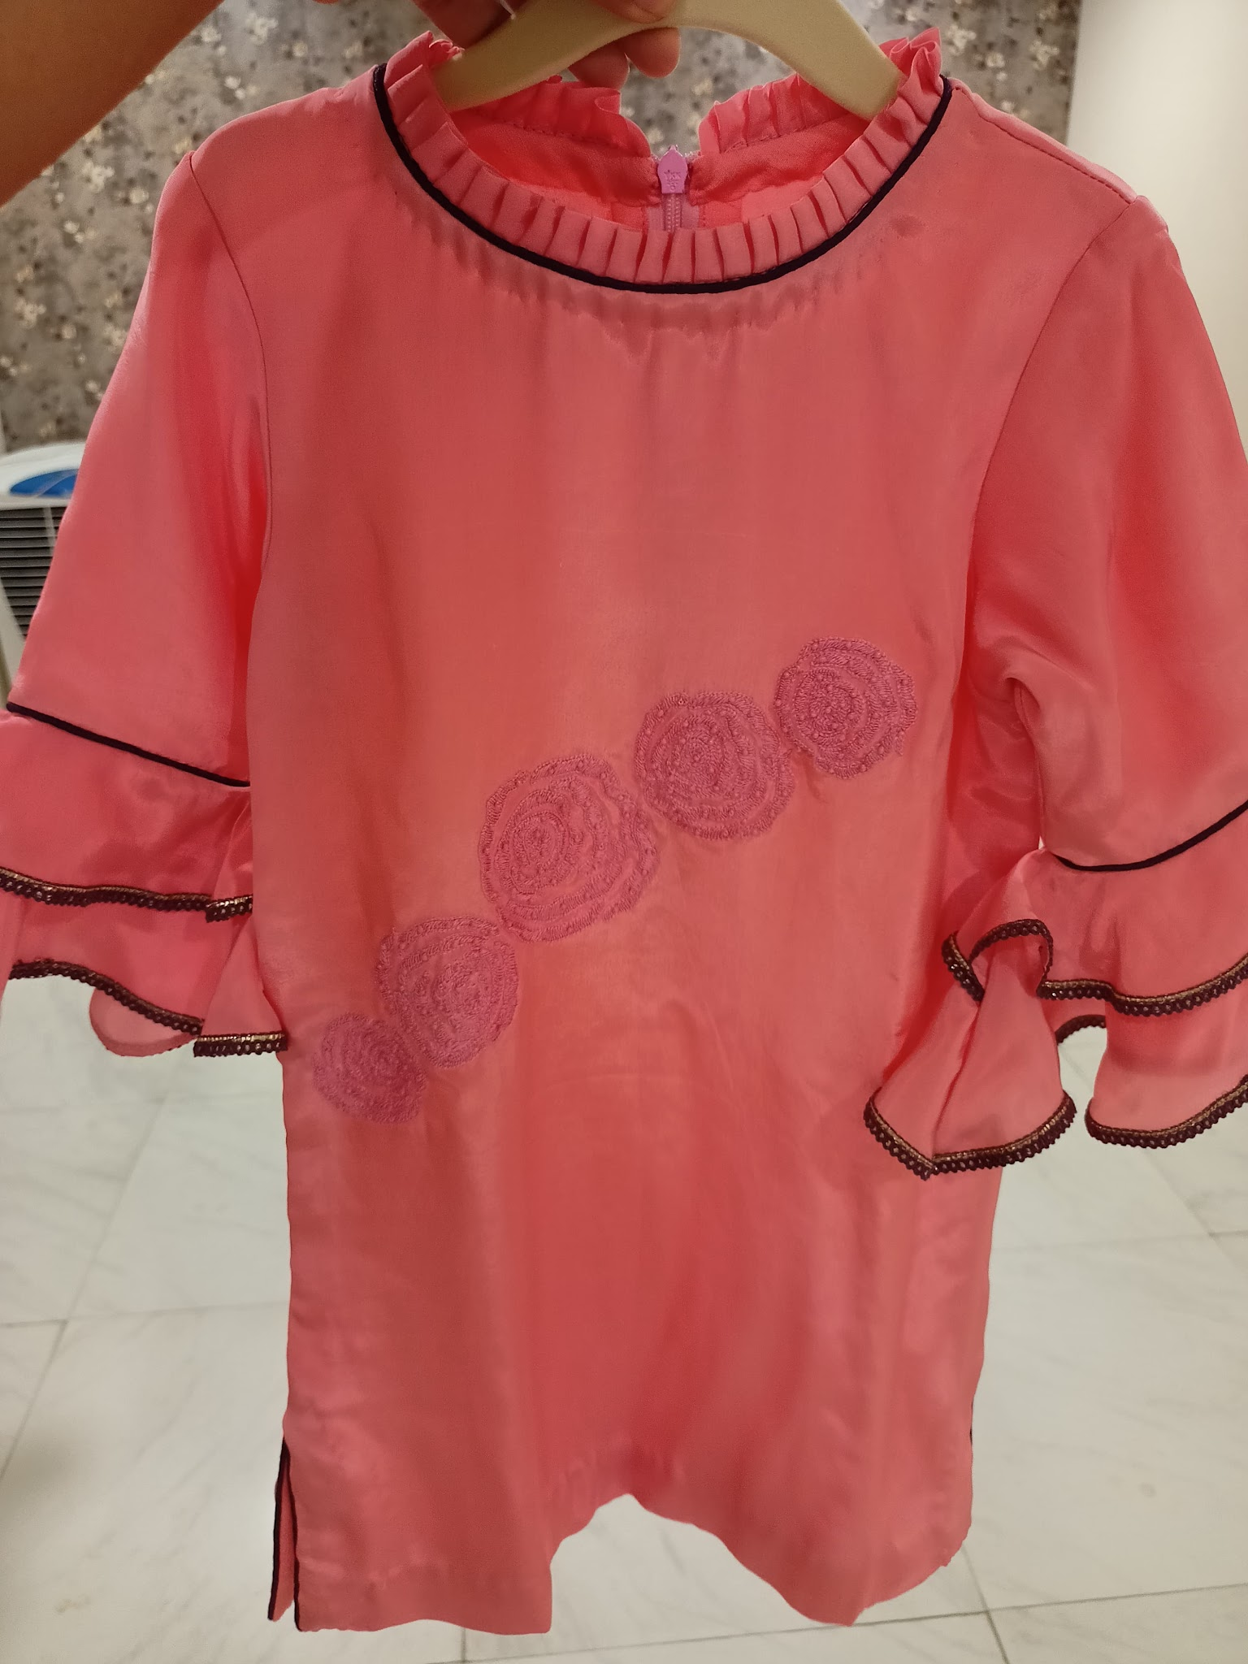 | Fabric: Crepe Lining: Mulmul Color: Pink Sleeve: Full ruffle sleeves Neckline: Round neck Closure: Back zipper Type of Work: Thread work Margins: 3-4 inches margin in Chest Components: Kurta, Flared pant Image Taken of: 4-5 years Care Instructions: Dry clean Style Code: CC-JR25-24/S8 | Kurta set | Roselet | Featuring a coral pink kurta set in soft crepe fabric with delicate ruffle sleeves trimmed with contast lace detailing and tonal rosette thread embroidery across the front. It is paired with a flared pant. | - | - | - | 7372 | 7372 | 8872 | 8872 | 8872 | 9872 | 9872 | 9872 | 10872 | 10872 | 10872 | - | - | - | -
23 | 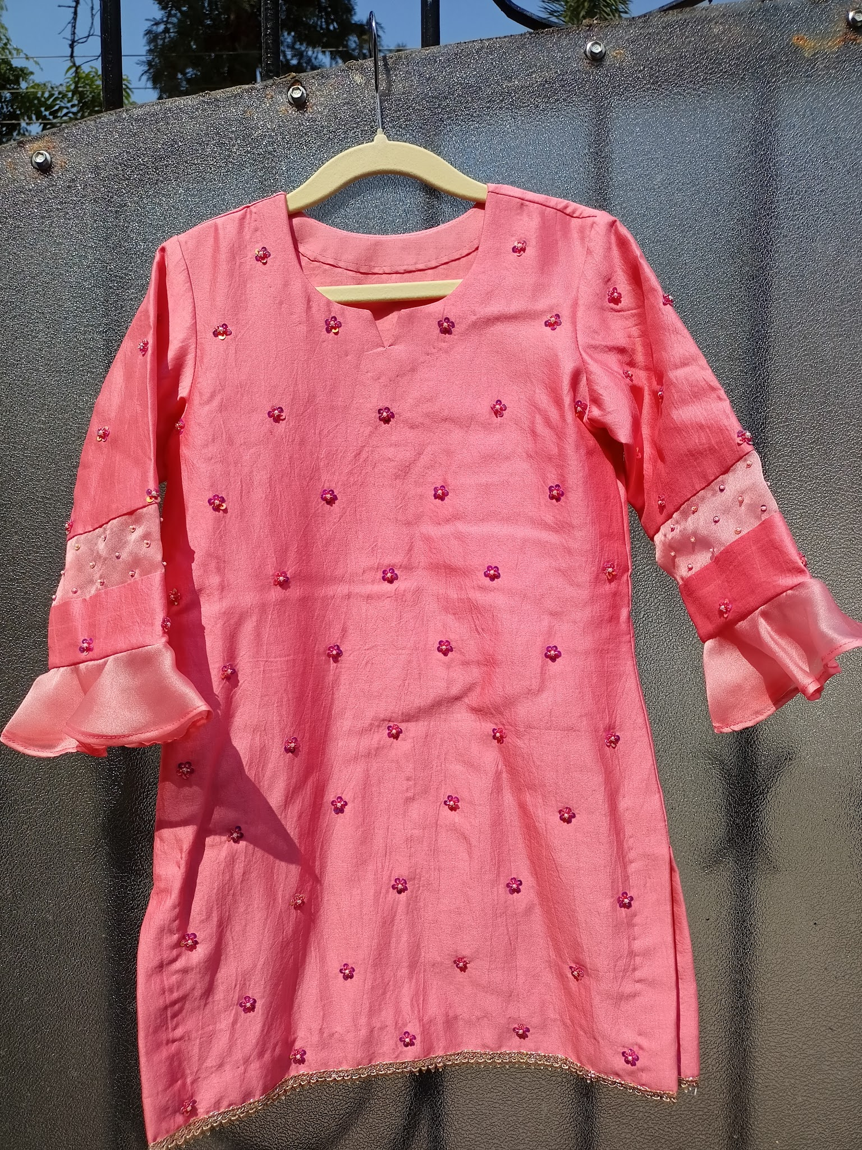 | Fabric: Chanderi silk, Organza Lining: Mulmul Color: Pink Sleeve: Ruffle full sleeves Neckline: Round neck Closure: Pull on Type of Work: Hand embellished Margins: 3-4 inches margin in Chest Components: Kurta, Pant Image Taken of: 4-5 years Care Instructions: Dry clean Style Code: CC-JR25-15/S4 | Kurta set | Bloom | Featuring a soft pink straight-cut kurta with pants, crafted in chanderi silk fabric. The kurta is adorned with hand-embroidered sequin floral motifs and hemline with delicate lace. Full sleeves are finished with organza ruffle cuffs and subtle sequin detailing. The pants feature an organza panel at the bottom for a coordinated finish. | - | - | - | 6915 | 6915 | 8967 | 8967 | 8967 | 9967 | 9967 | 9967 | 10967 | 10967 | 10967 | - | - | - | -

